AMSP - WG Projects
AMSP Strategic Actions: Arctic Council Working Groups Tracking Tool



The projects listed are the one's included in the Senior Arctic Officials' Report to Ministers of 2019. They were cross-referenced with the Arctic Marine Strategic Plan 2015 - 2025, identifying the different Strategic Actions involved in each project. This is an attempt to track progress of the 40 AMSP strategic actions.
Note to working groups: - This table is a living document that will be used to track progress of the Arctic Council in implementing the AMSP strategic actions. - Each working group to provide status on the implementation of the AMSP strategic actions as relevant to their respective work plan activities - Each working group to cross-reference other relevant follow-up recommendations matrixes - Each working group may revise the listed projects and the correspondent strategic actions, proceeding to the pertinent modifications

 | Status | Definition
 |  | Complete | Complete
 |  | Ongoing
 |  | Scheduled
 |  | Delayed
 |  | Not Started

ACAP
 |  |  |  |  |  | 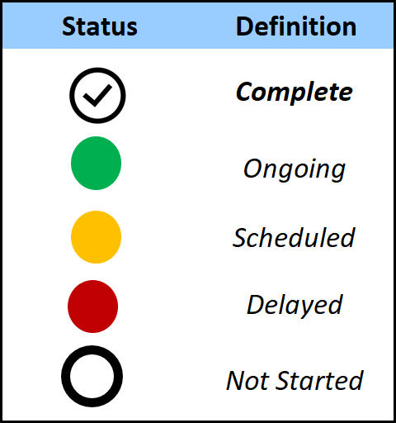
Project status | ACAP
 | Nr. | Project | Strategic Action
Complete | 1 | Updated and Broadened Inventory of Dioxin and Mercury Emission Sources of Selected POPs and Mercury. | 7.3.7
Complete | 2 | Control Technologies | 7.3.7
Complete | 3 | Promotion of Decreased Pollution in the Arctic Region with the Introduction of BAT | 7.3.7
 | 4 | ARCRISK – Mercury Risk Evaluation, Risk Management, and Risk Reduction Measures in the Arctic | 7.3.7
 | 5 | Development of Mercury containing Waste Management Systems in the Arctic Regions of the Russian Federation | 7.3.7
 | 6 | Demonstration of Management and Destruction of 250 tons of PCB in Transformers and Capacitors (Phase III) | 7.3.7
 | 7 | Demonstration of Environmentally Sound Destruction of Obsolete Pesticides (Phase III) | 7.3.7
 | 8 | Rapid Environmental Assessment (REA) | N/A
 | 9 | Information Exchange Workshop on Obsolete Pesticides Inventory and Destruction Technologies | 7.3.7
 | 10 | Phase-out and Environmentally Sound Management of Fire-fighting Foams Containing Perfluorooctanesulfonic Acid (PFOS) and Perfluorooctanoic Acid (PFOA) in the Arctic Region | 7.3.7
 | 11 | Black Carbon Case Studies | 7.2.9 | 7.3.7 | 7.3.10
 | 12 | Phase-out of Ozone Depleting Substances and Fluorinated Greenhouse Gases at Fish and Seafood Processing Enterprises of the Murmansk Oblast | 7.3.7
 | 13 | Mitigation of Black Carbon and Methane Emissions from APG Flaring in the Arctic Zone of the Russian Federation | 7.2.9 | 7.3.7 | 7.3.10
 | 14 | Pilot Project for Reducing CO2 and Black Carbon Emissions on the Rivers of the Arctic Zone of the Russian Federation | 7.1.3 | 7.2.9 | 7.3.7 | 7.3.10
 | 15 | Circumpolar Local Environmental Observer Network (CLEO) | 7.3.7 | 7.4.3
 | 16 | Community-Based Black Carbon Health Assessment | 7.2.9 | 7.3.7 | 7.3.10
 | 17 | Scaling up Solid Waste/Marine Debris Management | 7.1.3

EPPR
 |  | 
EPPR
Nr. | Project | Strategic Action
1 | MOSPA Exercise Planning and Exercise 2020 (postponed) | 7.3.2 | 7.3.3 | 7.3.4 | 7.3.5 | 7.3.6
2 | Follow-Up on the Framework Plan for Oil Pollution Prevention and Response (FPOPP) | 7.3.2 | 7.3.3 | 7.3.4
3 | Arctic Rescue | 7.3.5 | 7.3.6
4 | Safety Systems in Implementation of Economic and Infrastructural Projects | 7.3.2 | 7.3.3 | 7.3.4 | 7.3.5 | 7.3.6
5 | ARCSAFE | 7.1.8 | 7.3.2 | 7.3.7 | 7.3.11
6 | Prevention, Preparedness and Response in Small Communities, Phases I-II | 7.3.2 | 7.3.6 | 7.4.3 | 7.4.6
7 | Risk Assessment Methods and Metadata - Guideline and Toolbox | 7.1.7 | 7.1.8 | 7.2.3 | 7.3.2 | 7.3.4 | 7.3.5 | 7.3.6
8 | Circumpolar Oil Spill Response Viability Analysis (COSRVA) – Phase II | 7.1.8 | 7.3.2 | 7.3.3 | 7.3.4 | 7.3.6
9 | RADSAR | 7.3.7
10 | EPPR Radiological/SAR Table Top Exercise 2019 (RADEX2019) | 7.3.7
11 | Establishment of the EPPR Radiation Expert Group (RAD EG) | 7.1.1 | 7.3.6 | 7.3.7
12 | Circumpolar Wildland Fire Project | 7.1.1 | 7.1.2 | 7.3.7 | 7.4.1
13 | EPPR Research & Development (R&D) Initiative | 7.1.1 | 7.1.2 | 7.1.7 | 7.3.2 | 7.3.3 | 7.3.4 | 7.3.5 | 7.3.6 | 7.3.11
14 | EPPR-PAME Joint Project New Low-Sulphur Fuels - Fate and Behaviour in Cold Water Conditions | 7.1.7 | 7.3.2 | 7.3.4 | 7.3.6 | 7.3.7
15 | Project NEPTUNE | 7.3.2 | 7.3.6 | 7.3.13
16 | Risks Project in RAD EG | 7.1.1 | 7.3.5 | 7.3.7

